Annual costs to society
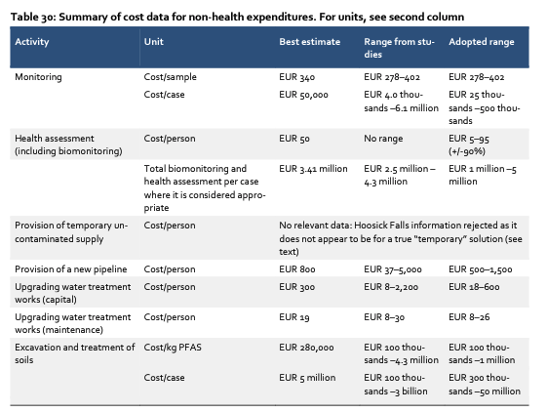
Annual societal costs from the use of PFAS

The links to all sources can be found further down in this sheet

Costs to society per year

All numbers based on EU - global comparison further down in the sheet

Area | Million Euros | Source | Description
Health | 68,000 | Nordic council of Ministers | Range 52-84 billion, midpoint used as estimation; Includes: worker health (kidey cancer), all-cause mortality (communities close to production sites), hypertension (general public)
Soil | 2,100,000 | Nordic council of Ministers | Annual cost with 75 000 tonnes emissions per year and 10% ending up in soil (ChemSec estimation) - cost for remediation is 280 000 Euros per kg
Water | 238,000 | Hans-Peter Arp | Removal of PFAS from 238 billion m3, which is total consumption of water in EU per year (industrial + private), cost is 1 Euro per m3
Biomonitoring | 300 | Nordic council of Ministers | Costs for monitoring PFAS concentrations in water and soil
Total | 2,406,300 |  | Total annual cost for EU including the three categories above, below is a short list of examples of costs not included in this calculation

Not incluced in costs | Description
Remediation of historical pollution | Remove existing PFAS from water and soil
Property damage | Reduced worth of property due to PFAS contamination, for example housing, buildings, land, as well as damage to animals etc
Other health-related costs | Reduced lifespan, other diseases connected to PFAS from EDC effects etc; decrease in working days; costs from known effects like reduced birth weight; and many more…

Revenue and volume per year

All numbers based on Fluoropolymers and EU - fluorochemicals and global comparison further down in the sheet

 |  |  | Source | Comment
Amount sold 2020 | 40,000,000 | kg | Plastics Europe
Revenue 2020 | 750,000,000 | Euros | Plastics Europe
Average per kilo | 19 | Euros |  | Cost per kg of PFAS when bought from manufacturer

Translation to fluorochemicals

Fluoropolymers market | 6.6 | Billion Euros | See sheet "Market size" | 30% | of total PFAS market
Fluorochemicals market | 21.7 | Billion Euros | See sheet "Market size"

Estimated total amount PFAS sold annually | 131,515,152 | kg |  | Total amount sold as an extrapolation of the amount of fluoropolymers and the market share of the fluoropolymers

Cost per kilo per year
 |  |  | Source | Comment
Amount sold 2020 | 40,000,000 | kg | Plastics Europe
Revenue 2020 | 750,000,000 | Euros | Plastics Europe
Average per kilo | 19 | Euros |  | Cost per kg of PFAS when bought from manufacturer

Total cost | 2,406,300 | Million Euros
True cost per kilo | 18,297 | Euros/kg |  | Social cost for per kg of PFAS taking into account the above mentioned cost categories

Factor | 976 | Around 1 000 times cheaper than it should be

Global cost per year
 |  |  | Source | Comment
Total cost in EU | 2,406,300 | Million Euros |  | Cost calculated above
Market share of chemical industry in EU | 14.7 | % | CEFIC

Global costs | 16,369,387,755,102 | Euros

Total future cost - without restriction
 |  |  | Source | Comment
Total amount until 2050 | 4,400,000 | tonnes | PFAS restriction dossier | 2250000 | Calculated uniform increase over 30 years
Amount in soil (assumed 10%) | 440,000,000 | kg |  | ChemSec estimation of 10% of emissions ending up in the soil
Remediation cost per kg PFAS in soil | 280,000 | Euros | Nordic council

Cost for soil remediation | 123,200,000,000,000 | Euros
Water remediation | 13,962,666,666,667 | Euros |  | Assuming same increase as production increase

TOTAL COST REMEDIATION | 137,162,666,666,667 | Euros

TOTAL COST HEALTH | 3,989,333,333,333 | Euros

TOTAL COST | 141,152,000,000,000 | Euros
= | 141 trillion | Euro

Links to sources
Nordic council | https://norden.diva-portal.org/smash/get/diva2:1295959/FULLTEXT01.pdf
Hans-Peter Arp | https://youtu.be/s6_O6MBpE8k
Plastics Europe | https://fluoropolymers.plasticseurope.org/application/files/1216/5485/3500/Fluoropolymers_Market_Data_Update_-_Final_report_-_May_2022.pdf
PFAS Restriction dossier | https://echa.europa.eu/sv/registry-of-restriction-intentions/-/dislist/details/0b0236e18663449b
CEFIC | https://cefic.org/a-pillar-of-the-european-economy/facts-and-figures-of-the-european-chemical-industry/profile/

From the Nordic Council of Ministers report https://norden.diva-portal.org/smash/get/diva2:1295959/FULLTEXT01.pdf

FP Applications
Fluoropolymer applications in the EU

Sector | Tonnes | "Essential"
Chemical and Power | 11000
Food and pharmaceutical industry (F&P) | 2000 | 1,000 | PFAS uses in food production is not "essential" so 50% of 2,000 = 1,000 as an approximation for the Pharma part
Electronics | 3500 | 1,167 | Only the semiconductor part can be considered "essential". We estimated this to be a third of total use, so 1/3 = 1167 as an approximation.(It's probably less)
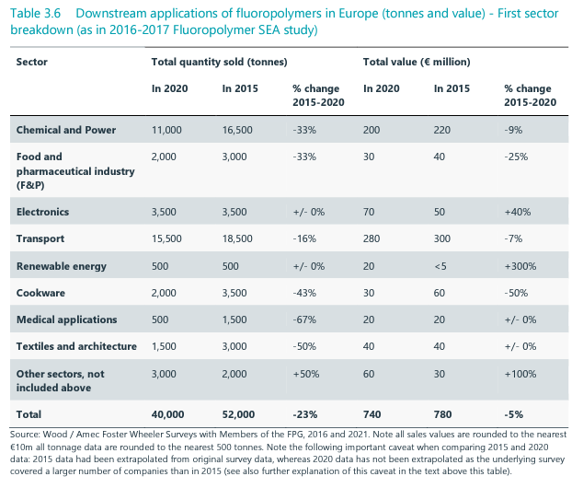
Transport | 15500
Renewable energy | 500 | 500
Cookware | 2000
Medical applications | 500 | 500
Textiles and architecture | 1500
Other sectors, not included above | 3000
 | 39500 | 8.0%

Source
https://fluoropolymers.plasticseurope.org/application/files/1216/5485/3500/Fluoropolymers_Market_Data_Update_-_Final_report_-_May_2022.pdf

Notes:
Flouropolymers is a subgroup of the PFAS family. Most essential use cases is in this category
In terms of revenue, fluoropolymers is about a third of the total PFAS market. See more on the tab "Market size".

